matches win wrt toss
Matches win by team wrt bat first and field first since 2017
Count of result | Column Labels
Row Labels | bat | field | Grand Total
Chennai Super Kings | 8 | 1 | 9
Deccan Chargers | 4 | 4 | 8
Delhi Daredevils | 4 | 3 | 7
Kings XI Punjab | 3 | 1 | 4
Kolkata Knight Riders | 5 | 2 | 7
Mumbai Indians | 5 | 6 | 11
Rajasthan Royals | 5 | 1 | 6
Royal Challengers Bangalore | 5 | 3 | 8
Grand Total | 39 | 21 | 60

toss based
Row Labels | Count of winner
bat | 65.00%
field | 35.00%
Toss decision based winning %
Grand Total | 100.00%

top 10
Top 10 stadium result wrt first batting and first fielding

Count of result | Column Labels
Row Labels | bat | field | Grand Total
Vidarbha Cricket Association Stadium, Jamtha | 2 | 1 | 3
Sawai Mansingh Stadium | 2 | 1 | 3
Sardar Patel Stadium, Motera | 3 | 1 | 4
Punjab Cricket Association Stadium, Mohali | 3 | 2 | 5
Dr DY Patil Sports Academy | 4 | 2 | 6
M Chinnaswamy Stadium | 1 | 6 | 7
Feroz Shah Kotla | 6 | 1 | 7
Brabourne Stadium | 5 | 2 | 7
Eden Gardens | 6 | 1 | 7
MA Chidambaram Stadium, Chepauk | 6 | 1 | 7
Grand Total | 38 | 18 | 56

total mom
Row Labels | Count of player_of_match | Players | MOM
SR Tendulkar | 4 | SR Tendulkar | 4
JH Kallis | 3 | JH Kallis | 3
Total MOM Title Won
A Symonds | 3 | A Symonds | 3
MK Tiwary | 2 | MK Tiwary | 2
G Gambhir | 2 | G Gambhir | 2
MS Dhoni | 2 | MS Dhoni | 2
SC Ganguly | 2 | SC Ganguly | 2
YK Pathan | 2 | YK Pathan | 2
SK Raina | 2 | SK Raina | 2
KA Pollard | 2 | KA Pollard | 2
KP Pietersen | 2
M Vijay | 2
Harmeet Singh | 1
DPMD Jayawardene | 1
R Vinay Kumar | 1
JD Unadkat | 1
Harbhajan Singh | 1
AC Voges | 1
R Ashwin | 1
AD Mathews | 1
RJ Harris | 1
KC Sangakkara | 1
SK Warne | 1
KD Karthik | 1
V Sehwag | 1
KM Jadhav | 1
PP Chawla | 1
AT Rayudu | 1
R McLaren | 1
M Kartik | 1
RG Sharma | 1
A Kumble | 1
RV Uthappa | 1
MJ Lumb | 1
AA Jhunjhunwala | 1
DA Warner | 1
SL Malinga | 1
ML Hayden | 1
TL Suman | 1
DE Bollinger | 1
WPUJC Vaas | 1
NV Ojha | 1
J Theron | 1
PD Collingwood | 1
Grand Total | 60

Sheet14
INDIAN PREMIER LEAGUE ANALYSIS
Season
ipl-2010
Winner
Chennai Super Kings
Runner Up
Mumbai Indians
Player of the Series
Sachin Tendulkar

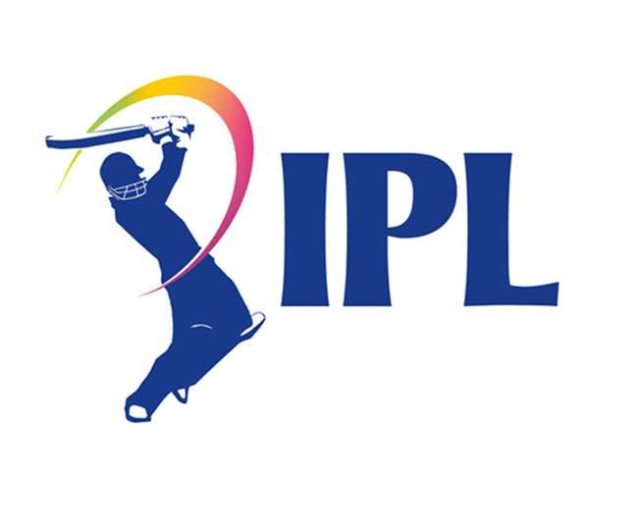
Matches win by team wrt bat first and field first since 2017
 | bat | field
Chennai Super Kings | 8 | 1
Deccan Chargers | 4 | 4
Delhi Daredevils | 4 | 3
Kings XI Punjab | 3 | 1
Kolkata Knight Riders | 5 | 2
Mumbai Indians | 5 | 6
Rajasthan Royals | 5 | 1
Royal Challengers Bangalore | 5 | 3
Toss decision based winning %
 | Total
bat | 65.00%
field | 35.00%
Top 10 stadium result wrt first batting and first fielding
 | bat | field
Vidarbha Cricket Association Stadium, Jamtha | 2 | 1
Sawai Mansingh Stadium | 2 | 1
Sardar Patel Stadium, Motera | 3 | 1
Punjab Cricket Association Stadium, Mohali | 3 | 2
Dr DY Patil Sports Academy | 4 | 2
M Chinnaswamy Stadium | 1 | 6
Feroz Shah Kotla | 6 | 1
Brabourne Stadium | 5 | 2
Eden Gardens | 6 | 1
MA Chidambaram Stadium, Chepauk | 6 | 1

Total MOM Title Won
 | MOM
SR Tendulkar | 4
JH Kallis | 3
A Symonds | 3
MK Tiwary | 2
G Gambhir | 2
MS Dhoni | 2
SC Ganguly | 2
YK Pathan | 2
SK Raina | 2
KA Pollard | 2

